Standard mechblock kit
M-S-012 STAINLESS STEEL MECHBLOCK KIT

Step files of all components are supplied on the ASPE student competition website
A normal set of mechblock components supplied will be 1/2 of the standard mechblock kit given in the table below.
Further components can be supplied on request.

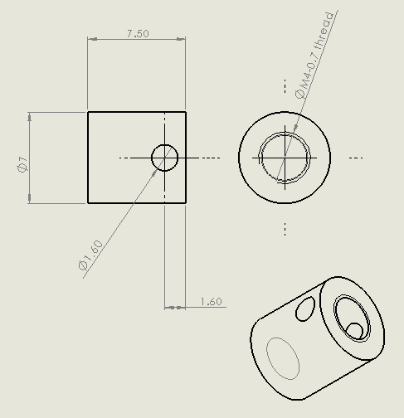
MechBlock Components |  | Additional Components |  | Rod fastener (left) and rod flexure washer (right)
Part | Qty Per Kit | Part | Qty Per Kit
B11-5-5-N | 12 | Rod flexure washer | 8
B11-3-3-N | 5 | Rod flexure 3/16" diameter | 2
B11-5-1-N | 16 | Rod fastener | 4
B11-3-1-N | 6 | Laser clamp | 1
B11-2-1-N | 6 | 10-32 StSt screws 3/4" long | 6
B11-1-1-N | 4
B10-5-0.25-EC | 16 | Rod flexure is 303 stainless rod and can be cut to desired length
B10-1-0.25-EC | 16 | McMaster Carr # | 88915K11
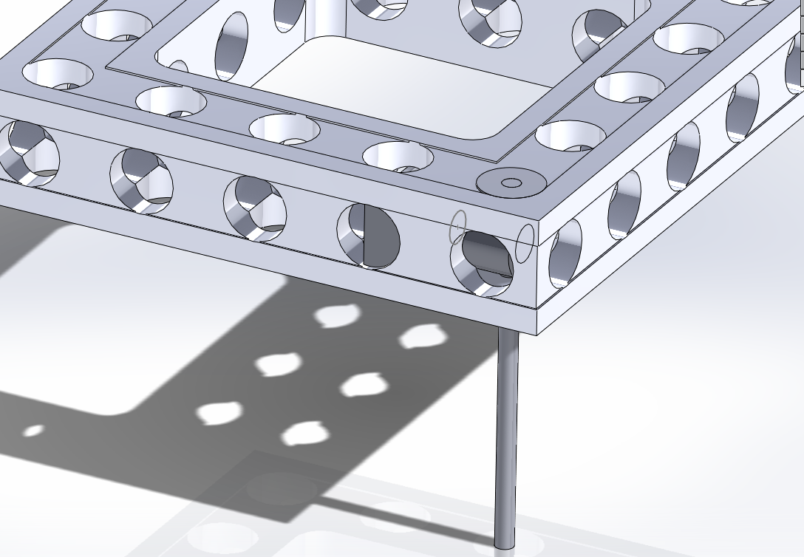
C11-1.5-9.5-N | 3
CP10-1-0.5-FL | 3
T11-1-M4 | 100
W11-1-M4 | 50
LS10-5-1-300-N | 20

Hardware
Part | Qty Per Kit
Thread insert holder magnets | 10
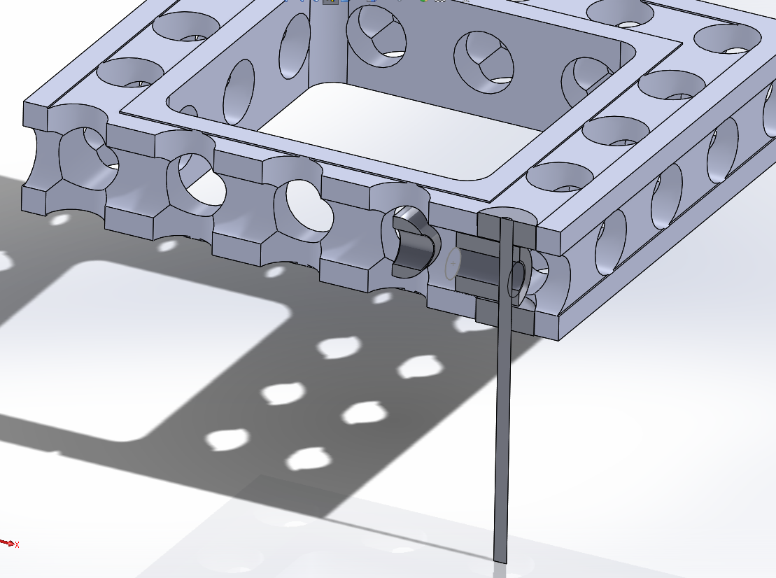
M3 washers | 5
M3 x 14 mm screw | 5
M4 large-diameter washers | 100
M4 small-diameter washers | 25
M4 x 10 mm set screw | 5
M4 x 10 mm screw | 50
M4 x 12 mm screw | 50
M4 x 16 mm screw | 50
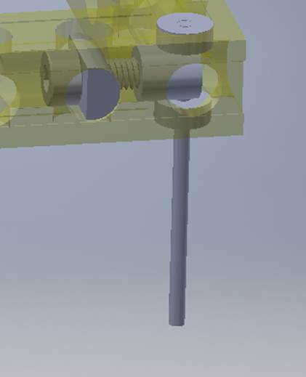
M4 x 20 mm screw | 50
M4 x 25 mm screw | 40
M4 x 30 mm screw | 40
M4 x 35 mm screw | 25
M4 x 40 mm screw | 25
M4 x 45 mm screw | 20
M4 x 50 mm screw | 20
2,2.5, and 3 mm hex key | 1
2,2.5, and 3 mm hex driver | 1
Wooden Box | 1
Plastic Hardware Box | 1

mechblock step_files
standard MechBlock Componenets
Step Files | picture | Step Files | picture | Step Files | picture

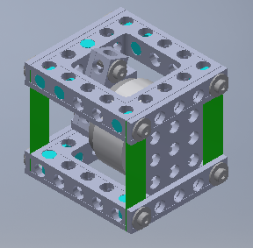
B11-3-1-N |  | LS10-5-1-300-N |  | B11-2-1-N |  | example assembly
B11-3-3-N |  | T11-1-M4 |  | B11-1-1-N | 
B11-5-.25-EC |  | W11-1-M4 |  | B11-1-0.25-EC |  | voice_coil_driven_four-bar-arcuate-translation-stage-v1.STEP
B11-5-5-N |  | B11-5-1-N |  | rodfastener.STEP
C11-1.5-9.5-N |  | CP10-1-0.5-FL |  | WasherRodFastener.STEP

Optosensor
Optosensor |  | Sensors |  | Mouser #
 |  | Part | Qty Per Kit | 755-RPI-0352E
Used to provide displacement feedback. Students can use knife edge of any design. |  | RPI0352E | 3 |  | Opto sensor assembly: step file names listed below
15 V GND Vo
RPI Forward Movement vs. Forward Voltage
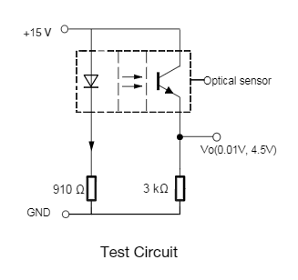
Displacement (mm) | Output voltage (V)
0.7 | 4.491
0.75 | 4.477
0.8 | 4.445
0.85 | 4.369
0.9 | 4.253
0.95 | 4.025
1 | 3.554
1.05 | 2.845
1.1 | 2.062
1.15 | 1.32
1.2 | 0.744
1.25 | 0.342
1.3 | 0.163
1.35 | 0.094
1.4 | 0.053
Forward Movement vs. Forward Voltage

 |  |  |  | Step files |  | Description
 |  |  |  | Optical sensor with board |  | Complete assembly
 |  |  |  | Optical sensor
 |  |  |  | OptoSensorMount |  | Optcal sensor mount
 |  |  |  | Board with pins |  | Circuit board
 |  |  |  | Optical sensor with board |  | Optical sensor with board.STEP

 |  |  |  | NOTE: Resistors are on the circuit board, no external circuits are required

Voice coil
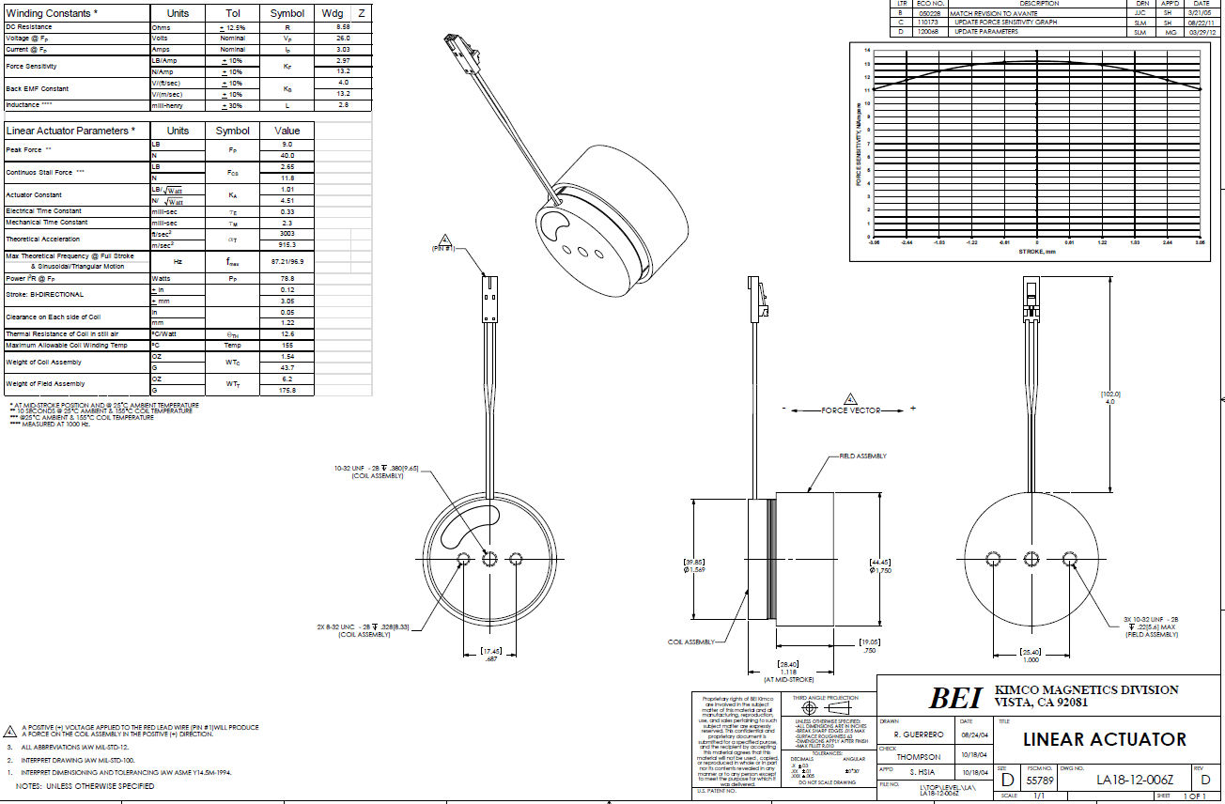
Voice coils

Voice coils
Part | Qty Per Kit
BEI see drawing | 3

PDF of drawing available on demand

voice_coil
voice_coil_magnet

Amplifier
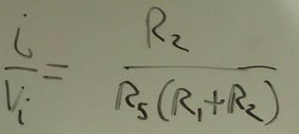
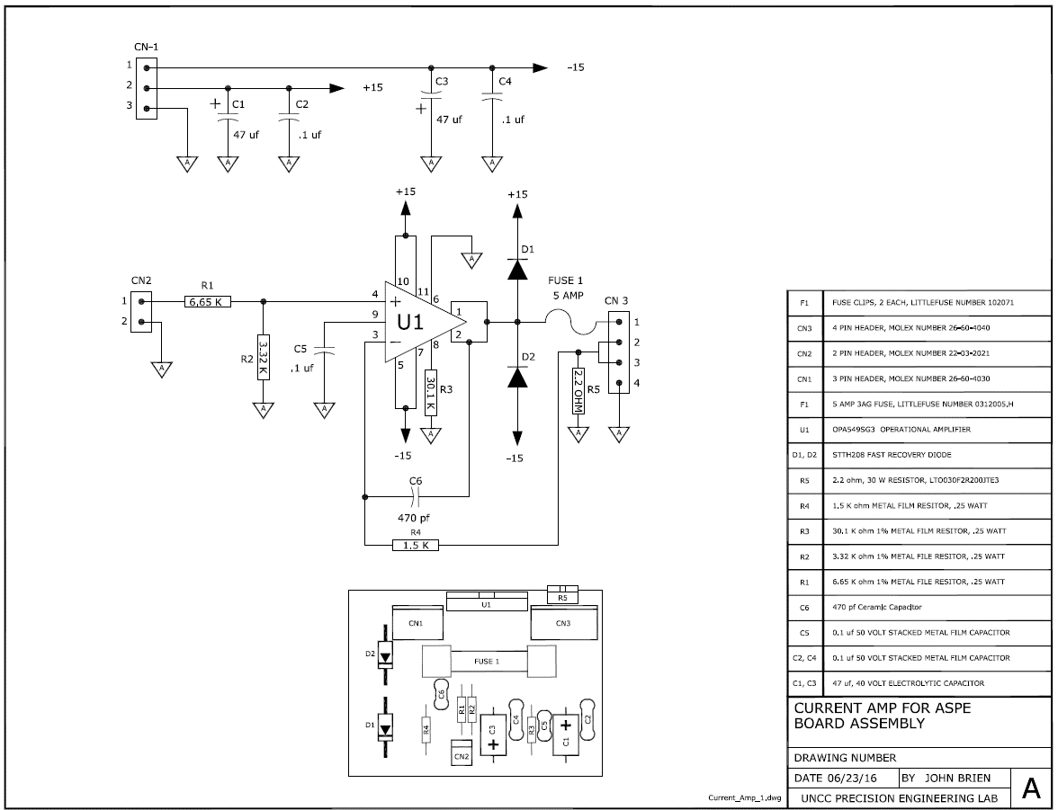
Amplifier specifications

R1 | R2 | R3 | R4 | R5
6650 | 3320 | 3010 | 1500 | 2.2

Characteristic
i/Vi | mA/V
0.151 | 151

Amplifier will also provide +- 15 V

Focus probe
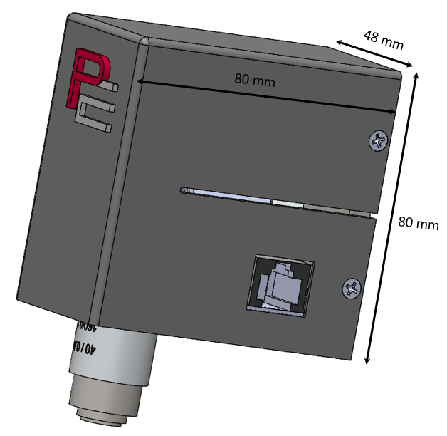
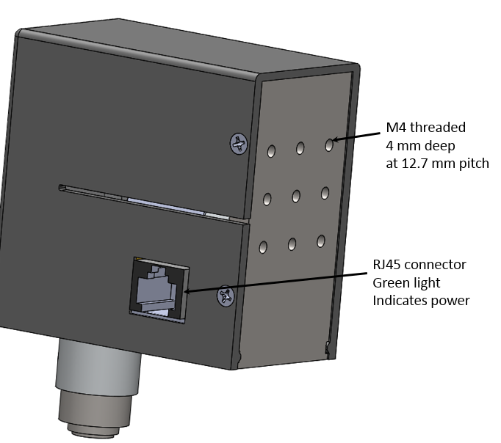
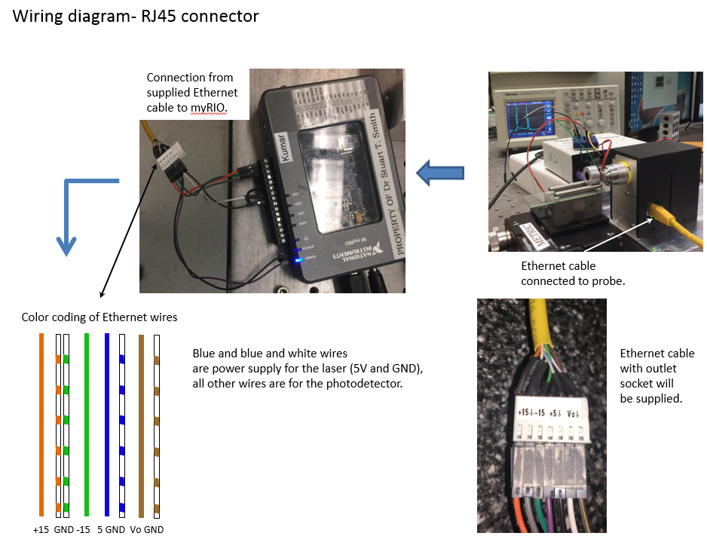
Solid models and a step file of the probe assembly can be found on the google drive for this competition | RJ45 connection
Google links will be available on facebook.
The total mass of the assembled probe is approx. 300 grams.

Focal length of the lens is 0.5 mm

Typical Focus probe output
Amplifier output voltage as a function of probe displacement for a glass plate of nominal thickness 0.2 mm

 |  | Glass material is
 |  | https://www.corning.com/media/worldwide/cdt/documents/EAGLE%20XG%20%C2%AE%20Slim%20Glass.pdf
x measured | With amplifier (V) | Refractive index of air can be calculated using
-357.5 | -0.0032074464027 | https://emtoolbox.nist.gov/Wavelength/Abstract.asp
-357.2075 | 0.026089875639
-357.5 | -0.0032074464027
-357.2075 | 0.026089875639
-356.915 | 0.021206988632
-356.6225 | -0.012973220417
-356.33 | 0.035855649653
-356.0375 | -0.0032074464027
-355.745 | 0.030972762646
-355.4525 | 0.0065583276112
-355.16 | 0.0016754406043
-354.8675 | 0.026089875639
-354.575 | 0.0065583276112
-354.2825 | 0.016324101625
-353.99 | 0.016324101625
-353.6975 | -0.0080903334096
-353.405 | 0.035855649653
-353.1125 | -0.0032074464027
-352.82 | 0.04073853666
-352.5275 | 0.016324101625
-352.235 | -0.0032074464027
-351.9425 | 0.035855649653
-351.65 | -0.0032074464027
-351.3575 | 0.030972762646
-351.065 | 0.011441214618
-350.7725 | -0.0032074464027
-350.48 | 0.030972762646
-350.1875 | 0.011441214618
-349.895 | 0.016324101625
-349.6025 | 0.021206988632
-349.31 | -0.017856107424
-349.0175 | 0.04073853666
-348.725 | -0.0032074464027
-348.4325 | 0.030972762646
-348.14 | 0.016324101625
-347.8475 | 0.0065583276112
-347.555 | 0.04073853666
-347.2625 | 0.0016754406043
-346.97 | 0.030972762646
-346.6775 | 0.016324101625
-346.385 | 0.0016754406043
-346.0925 | 0.035855649653
-345.8 | 0.011441214618
-345.5075 | 0.021206988632
-345.215 | 0.021206988632
-344.9225 | -0.0080903334096
-344.63 | 0.050504310674
-344.3375 | -0.0032074464027
-344.045 | 0.030972762646
-343.7525 | 0.016324101625
-343.46 | 0.0065583276112
-343.1675 | 0.030972762646
...
-356.915 | 0.021206988632
-356.6225 | -0.012973220417
-356.33 | 0.035855649653
-356.0375 | -0.0032074464027
-355.745 | 0.030972762646
-355.4525 | 0.0065583276112
-355.16 | 0.0016754406043
-354.8675 | 0.026089875639
-354.575 | 0.0065583276112
-354.2825 | 0.016324101625
-353.99 | 0.016324101625
-353.6975 | -0.0080903334096
-353.405 | 0.035855649653
-353.1125 | -0.0032074464027
-352.82 | 0.04073853666
-352.5275 | 0.016324101625
-352.235 | -0.0032074464027
-351.9425 | 0.035855649653
-351.65 | -0.0032074464027
-351.3575 | 0.030972762646
-351.065 | 0.011441214618
-350.7725 | -0.0032074464027
-350.48 | 0.030972762646
-350.1875 | 0.011441214618
-349.895 | 0.016324101625
-349.6025 | 0.021206988632
-349.31 | -0.017856107424
-349.0175 | 0.04073853666
-348.725 | -0.0032074464027
-348.4325 | 0.030972762646
-348.14 | 0.016324101625
-347.8475 | 0.0065583276112
-347.555 | 0.04073853666
-347.2625 | 0.0016754406043
-346.97 | 0.030972762646
-346.6775 | 0.016324101625
-346.385 | 0.0016754406043
-346.0925 | 0.035855649653
-345.8 | 0.011441214618
-345.5075 | 0.021206988632
-345.215 | 0.021206988632
-344.9225 | -0.0080903334096
-344.63 | 0.050504310674
-344.3375 | -0.0032074464027
-344.045 | 0.030972762646
-343.7525 | 0.016324101625
-343.46 | 0.0065583276112
-343.1675 | 0.030972762646
-342.875 | 0.0065583276112
-342.5825 | 0.026089875639
-342.29 | 0.021206988632
-341.9975 | 0.0016754406043
-341.705 | 0.04073853666
-341.4125 | 0.0065583276112
-341.12 | 0.026089875639
-340.8275 | 0.021206988632
-340.535 | -0.0032074464027
-340.2425 | 0.050504310674
-339.95 | -0.0032074464027
-339.6575 | 0.035855649653
-339.365 | 0.0065583276112
-339.0725 | 0.0065583276112
-338.78 | 0.035855649653
-338.4875 | 0.0065583276112
-338.195 | 0.026089875639
-337.9025 | 0.026089875639
-337.61 | 0.0016754406043
-337.3175 | 0.045621423667
-337.025 | 0.0065583276112
-336.7325 | 0.026089875639
-336.44 | 0.021206988632
-336.1475 | 0.0016754406043
-335.855 | 0.050504310674
-335.5625 | -0.0032074464027
-335.27 | 0.030972762646
-334.9775 | 0.016324101625
-334.685 | 0.0065583276112
-334.3925 | 0.045621423667
-334.1 | 0.021206988632
-333.8075 | 0.026089875639
-333.515 | 0.026089875639
-333.2225 | 0.0065583276112
-332.93 | 0.050504310674
-332.6375 | 0.011441214618
-332.345 | 0.035855649653
-332.0525 | 0.026089875639
-331.76 | 0.0065583276112
-331.4675 | 0.055387197681
-331.175 | 0.0065583276112
-330.8825 | 0.04073853666
-330.59 | 0.021206988632
-330.2975 | 0.021206988632
-330.005 | 0.045621423667
-329.7125 | 0.016324101625
-329.42 | 0.030972762646
-329.1275 | 0.030972762646
-328.835 | 0.011441214618
-328.5425 | 0.050504310674
-328.25 | 0.016324101625
-327.9575 | 0.035855649653
-327.665 | 0.035855649653
-327.3725 | 0.011441214618
-327.08 | 0.065152971695
-326.7875 | 0.011441214618
-326.495 | 0.045621423667
-326.2025 | 0.030972762646
-325.91 | 0.026089875639
-325.6175 | 0.065152971695
-325.325 | 0.021206988632
-325.0325 | 0.055387197681
-324.74 | 0.035855649653
-324.4475 | 0.030972762646
-324.155 | 0.060270084688
-323.8625 | 0.04073853666
-323.57 | 0.045621423667
-323.2775 | 0.045621423667
-322.985 | 0.030972762646
-322.6925 | 0.070035858701
-322.4 | 0.035855649653
-322.1075 | 0.060270084688
-321.815 | 0.065152971695
-321.5225 | 0.04073853666
-321.23 | 0.089567406729
-320.9375 | 0.04073853666
-320.645 | 0.079801632715
-320.3525 | 0.065152971695
-320.06 | 0.065152971695
-319.7675 | 0.099333180743
-319.475 | 0.074918745708
-319.1825 | 0.094450293736
-318.89 | 0.089567406729
-318.5975 | 0.084684519722
-318.305 | 0.12374761578
-318.0125 | 0.094450293736
-317.72 | 0.10909895476
-317.4275 | 0.10909895476
-317.135 | 0.089567406729
-316.8425 | 0.14327916381
-316.55 | 0.089567406729
-316.2575 | 0.12374761578
-315.965 | 0.10909895476
-315.6725 | 0.094450293736
-315.38 | 0.1383962768
-315.0875 | 0.094450293736
-314.795 | 0.12374761578
-314.5025 | 0.11398184176
-314.21 | 0.10909895476
-313.9175 | 0.14327916381
-313.625 | 0.11886472877
-313.3325 | 0.12863050278
-313.04 | 0.14327916381
-312.7475 | 0.11886472877
-312.455 | 0.18234225986
-312.1625 | 0.1383962768
-311.87 | 0.18234225986
-311.5775 | 0.17745937285
-311.285 | 0.18722514687
-310.9925 | 0.24581979095
-310.7 | 0.2116395819
-310.4075 | 0.25070267796
-310.115 | 0.25070267796
-309.8225 | 0.26046845197
-309.53 | 0.30441443503
-309.2375 | 0.29953154803
-308.945 | 0.32394598306
-308.6525 | 0.3532433051
-308.36 | 0.3483604181
-308.0675 | 0.42648661021
-307.775 | 0.39718928817
-307.4825 | 0.44601815824
-307.19 | 0.45090104524
-306.8975 | 0.45578393225
-306.605 | 0.49972991531
-306.3125 | 0.47043259327
-306.02 | 0.47531548028
-305.7275 | 0.46554970626
-305.435 | 0.43136949722
-305.1425 | 0.45090104524
-304.85 | 0.37765774014
-304.5575 | 0.35812619211
-304.265 | 0.32394598306
-303.9725 | 0.25558556497
-303.68 | 0.28
-303.3875 | 0.19699092088
-303.095 | 0.2067566949
-302.8025 | 0.17745937285
-302.51 | 0.15792782483
-302.2175 | 0.17745937285
-301.925 | 0.12863050278
-301.6325 | 0.12374761578
-301.34 | 0.12374761578
-301.0475 | 0.089567406729
-300.755 | 0.13351338979
-300.4625 | 0.089567406729
-300.17 | 0.094450293736
-299.8775 | 0.10421606775
-299.585 | 0.065152971695
-299.2925 | 0.10909895476
-299 | 0.055387197681
-298.7075 | 0.070035858701
-298.415 | 0.060270084688
-298.1225 | 0.045621423667
-297.83 | 0.070035858701
-297.5375 | 0.045621423667
-297.245 | 0.04073853666
-296.9525 | 0.060270084688
-296.66 | 0.026089875639
-296.3675 | 0.065152971695
-296.075 | 0.026089875639
-295.7825 | 0.04073853666
-295.49 | 0.050504310674
-295.1975 | 0.021206988632
-294.905 | 0.065152971695
-294.6125 | 0.021206988632
-294.32 | 0.04073853666
-294.0275 | 0.045621423667
-293.735 | 0.021206988632
-293.4425 | 0.050504310674
-293.15 | 0.035855649653
-292.8575 | 0.030972762646
-292.565 | 0.055387197681
-292.2725 | 0.016324101625
-291.98 | 0.060270084688
-291.6875 | 0.021206988632
-291.395 | 0.035855649653
-291.1025 | 0.055387197681
-290.81 | 0.016324101625
-290.5175 | 0.055387197681
-290.225 | 0.016324101625
-289.9325 | 0.04073853666
-289.64 | 0.035855649653
-289.3475 | 0.016324101625
-289.055 | 0.04073853666
-288.7625 | 0.021206988632
-288.47 | 0.026089875639
-288.1775 | 0.04073853666
-287.885 | 0.011441214618
-287.5925 | 0.045621423667
-287.3 | 0.026089875639
-287.0075 | 0.026089875639
-286.715 | 0.050504310674
-286.4225 | 0.0016754406043
-286.13 | 0.050504310674
-285.8375 | 0.0065583276112
-285.545 | 0.035855649653
-285.2525 | 0.035855649653
-284.96 | 0.011441214618
-284.6675 | 0.045621423667
-284.375 | 0.016324101625
-284.0825 | 0.026089875639
-283.79 | 0.04073853666
-283.4975 | 0.016324101625
-283.205 | 0.04073853666
-282.9125 | 0.016324101625
-282.62 | 0.021206988632
-282.3275 | 0.045621423667
-282.035 | 0.0065583276112
-281.7425 | 0.050504310674
-281.45 | 0.011441214618
-281.1575 | 0.030972762646
-280.865 | 0.04073853666
-280.5725 | 0.016324101625
-280.28 | 0.045621423667
-279.9875 | 0.016324101625
-279.695 | 0.026089875639
-279.4025 | 0.035855649653
-279.11 | 0.0065583276112
-278.8175 | 0.04073853666
-278.525 | 0.016324101625
-278.2325 | 0.021206988632
-277.94 | 0.050504310674
-277.6475 | 0.0016754406043
-277.355 | 0.050504310674
-277.0625 | 0.0065583276112
-276.77 | 0.035855649653
-276.4775 | 0.04073853666
-276.185 | 0.016324101625
-275.8925 | 0.045621423667
-275.6 | 0.016324101625
-275.3075 | 0.026089875639
-275.015 | 0.045621423667
-274.7225 | 0.011441214618
-274.43 | 0.04073853666
-274.1375 | 0.016324101625
-273.845 | 0.021206988632
-273.5525 | 0.04073853666
-273.26 | 0.0016754406043
-272.9675 | 0.045621423667
-272.675 | 0.011441214618
-272.3825 | 0.035855649653
-272.09 | 0.035855649653
-271.7975 | 0.016324101625
-271.505 | 0.04073853666
-271.2125 | 0.021206988632
-270.92 | 0.016324101625
-270.6275 | 0.045621423667
-270.335 | -0.0032074464027
-270.0425 | 0.050504310674
-269.75 | 0.0016754406043
-269.4575 | 0.035855649653
-269.165 | 0.030972762646
-268.8725 | 0.011441214618
-268.58 | 0.035855649653
-268.2875 | 0.016324101625
-267.995 | 0.021206988632
-267.7025 | 0.04073853666
-267.41 | 0.0016754406043
-267.1175 | 0.04073853666
-266.825 | 0.0016754406043
-266.5325 | 0.026089875639
-266.24 | 0.04073853666
-265.9475 | 0.0016754406043
-265.655 | 0.04073853666
-265.3625 | 0.0065583276112
-265.07 | 0.021206988632
-264.7775 | 0.035855649653
-264.485 | 0.016324101625
-264.1925 | 0.035855649653
-263.9 | 0.011441214618
-263.6075 | 0.016324101625
-263.315 | 0.045621423667
-263.0225 | -0.0032074464027
-262.73 | 0.045621423667
-262.4375 | 0.0016754406043
-262.145 | 0.026089875639
-261.8525 | 0.030972762646
-261.56 | 0.011441214618
-261.2675 | 0.030972762646
-260.975 | 0.011441214618
-260.6825 | 0.021206988632
-260.39 | 0.04073853666
-260.0975 | 0.0016754406043
-259.805 | 0.035855649653
-259.5125 | 0.0065583276112
-259.22 | 0.016324101625
-258.9275 | 0.035855649653
-258.635 | 0.0016754406043
-258.3425 | 0.04073853666
-258.05 | -0.0032074464027
-257.7575 | 0.026089875639
-257.465 | 0.030972762646
-257.1725 | 0.011441214618
-256.88 | 0.030972762646
-256.5875 | 0.011441214618
-256.295 | 0.016324101625
-256.0025 | 0.045621423667
-255.71 | -0.0032074464027
-255.4175 | 0.04073853666
-255.125 | 0.0016754406043
-254.8325 | 0.026089875639
-254.54 | 0.030972762646
-254.2475 | 0.0016754406043
-253.955 | 0.030972762646
-253.6625 | 0.0016754406043
-253.37 | 0.016324101625
-253.0775 | 0.035855649653
-252.785 | 0.0016754406043
-252.4925 | 0.030972762646
-252.2 | 0.0016754406043
-251.9075 | 0.016324101625
-251.615 | 0.04073853666
-251.3225 | 0.0016754406043
-251.03 | 0.035855649653
-250.7375 | 0.0016754406043
-250.445 | 0.021206988632
-250.1525 | 0.030972762646
-249.86 | 0.0016754406043
-249.5675 | 0.026089875639
-249.275 | 0.0065583276112
-248.9825 | 0.011441214618
-248.69 | 0.04073853666
-248.3975 | -0.0032074464027
-248.105 | 0.035855649653
-247.8125 | -0.0032074464027
-247.52 | 0.026089875639
-247.2275 | 0.026089875639
-246.935 | 0.0065583276112
-246.6425 | 0.021206988632
-246.35 | 0.011441214618
-246.0575 | 0.016324101625
-245.765 | 0.04073853666
-245.4725 | -0.0080903334096
-245.18 | 0.04073853666
-244.8875 | 0.0016754406043
-244.595 | 0.021206988632
-244.3025 | 0.026089875639
-244.01 | 0.0016754406043
-243.7175 | 0.021206988632
-243.425 | 0.011441214618
-243.1325 | 0.0065583276112
-242.84 | 0.04073853666
-242.5475 | -0.012973220417
-242.255 | 0.035855649653
-241.9625 | -0.0032074464027
-241.67 | 0.021206988632
-241.3775 | 0.026089875639
-241.085 | 0.0016754406043
-240.7925 | 0.026089875639
-240.5 | 0.011441214618
-240.2075 | 0.011441214618
-239.915 | 0.04073853666
-239.6225 | -0.0080903334096
-239.33 | 0.035855649653
-239.0375 | -0.0032074464027
-238.745 | 0.016324101625
-238.4525 | 0.026089875639
-238.16 | -0.0032074464027
-237.8675 | 0.026089875639
-237.575 | 0.0016754406043
-237.2825 | 0.011441214618
-236.99 | 0.035855649653
-236.6975 | -0.0080903334096
-236.405 | 0.030972762646
-236.1125 | 0.0016754406043
-235.82 | 0.016324101625
-235.5275 | 0.035855649653
-235.235 | -0.0080903334096
-234.9425 | 0.030972762646
-234.65 | 0.0016754406043
-234.3575 | 0.016324101625
-234.065 | 0.026089875639
-233.7725 | -0.0032074464027
-233.48 | 0.026089875639
-233.1875 | 0.0065583276112
-232.895 | 0.011441214618
-232.6025 | 0.04073853666
-232.31 | -0.017856107424
-232.0175 | 0.04073853666
-231.725 | -0.0032074464027
-231.4325 | 0.021206988632
-231.14 | 0.026089875639
-230.8475 | 0.0016754406043
-230.555 | 0.021206988632
-230.2625 | 0.016324101625
-229.97 | 0.0065583276112
-229.6775 | 0.04073853666
-229.385 | -0.012973220417
-229.0925 | 0.035855649653
-228.8 | -0.0032074464027
-228.5075 | 0.021206988632
-228.215 | 0.026089875639
-227.9225 | -0.0032074464027
-227.63 | 0.026089875639
-227.3375 | 0.011441214618
-227.045 | 0.0065583276112
-226.7525 | 0.035855649653
-226.46 | -0.0080903334096
-226.1675 | 0.035855649653
-225.875 | 0.0065583276112
-225.5825 | 0.021206988632
-225.29 | 0.026089875639
-224.9975 | -0.0080903334096
-224.705 | 0.030972762646
-224.4125 | 0.011441214618
-224.12 | 0.016324101625
-223.8275 | 0.035855649653
-223.535 | -0.0080903334096
-223.2425 | 0.026089875639
-222.95 | 0.011441214618
-222.6575 | 0.011441214618
-222.365 | 0.035855649653
-222.0725 | -0.012973220417
-221.78 | 0.026089875639
-221.4875 | 0.0016754406043
-221.195 | 0.026089875639
-220.9025 | 0.026089875639
-220.61 | -0.0032074464027
-220.3175 | 0.026089875639
-220.025 | 0.021206988632
-219.7325 | 0.016324101625
-219.44 | 0.04073853666
-219.1475 | -0.012973220417
-218.855 | 0.035855649653
-218.5625 | 0.0016754406043
-218.27 | 0.030972762646
-217.9775 | 0.030972762646
-217.685 | -0.0032074464027
-217.3925 | 0.026089875639
-217.1 | 0.021206988632
-216.8075 | 0.026089875639
-216.515 | 0.045621423667
-216.2225 | -0.0080903334096
-215.93 | 0.04073853666
-215.6375 | 0.016324101625
-215.345 | 0.030972762646
-215.0525 | 0.045621423667
-214.76 | 0.011441214618
-214.4675 | 0.045621423667
-214.175 | 0.026089875639
-213.8825 | 0.035855649653
-213.59 | 0.055387197681
-213.2975 | 0.016324101625
-213.005 | 0.050504310674
-212.7125 | 0.045621423667
-212.42 | 0.050504310674
-212.1275 | 0.074918745708
-211.835 | 0.026089875639
-211.5425 | 0.089567406729
-211.25 | 0.055387197681
-210.9575 | 0.079801632715
-210.665 | 0.084684519722
-210.3725 | 0.060270084688
-210.08 | 0.089567406729
-209.7875 | 0.084684519722
-209.495 | 0.070035858701
-209.2025 | 0.099333180743
-208.91 | 0.050504310674
-208.6175 | 0.094450293736
-208.325 | 0.065152971695
-208.0325 | 0.079801632715
-207.74 | 0.089567406729
-207.4475 | 0.055387197681
-207.155 | 0.10421606775
-206.8625 | 0.089567406729
-206.57 | 0.10421606775
-206.2775 | 0.12374761578
-205.985 | 0.094450293736
-205.6925 | 0.14327916381
-205.4 | 0.15792782483
-205.1075 | 0.17745937285
-204.815 | 0.25070267796
-204.5225 | 0.24581979095
-204.23 | 0.3532433051
-203.9375 | 0.37765774014
-203.645 | 0.44601815824
-203.3525 | 0.48508125429
-203.06 | 0.48019836728
-202.7675 | 0.51437857633
-202.475 | 0.49484702831
-202.1825 | 0.46554970626
-201.89 | 0.46554970626
-201.5975 | 0.38742351415
-201.305 | 0.40207217517
-201.0125 | 0.36300907912
-200.72 | 0.34347753109
-200.4275 | 0.3532433051
-200.135 | 0.29464866102
-199.8425 | 0.32394598306
-199.55 | 0.28976577401
-199.2575 | 0.27023422599
-198.965 | 0.25558556497
-198.6725 | 0.19699092088
-198.38 | 0.19699092088
-198.0875 | 0.18234225986
-197.795 | 0.14816205081
-197.5025 | 0.18722514687
-197.21 | 0.12863050278
-196.9175 | 0.17745937285
-196.625 | 0.14327916381
-196.3325 | 0.1383962768
-196.04 | 0.14327916381
-195.7475 | 0.10909895476
-195.455 | 0.1383962768
-195.1625 | 0.12374761578
-194.87 | 0.10421606775
-194.5775 | 0.12863050278
-194.285 | 0.089567406729
-193.9925 | 0.11398184176
-193.7 | 0.094450293736
-193.4075 | 0.070035858701
-193.115 | 0.10909895476
-192.8225 | 0.050504310674
-192.53 | 0.094450293736
-192.2375 | 0.065152971695
-191.945 | 0.065152971695
-191.6525 | 0.079801632715
-191.36 | 0.045621423667
-191.0675 | 0.070035858701
-190.775 | 0.055387197681
-190.4825 | 0.04073853666
-190.19 | 0.065152971695
-189.8975 | 0.021206988632
-189.605 | 0.065152971695
-189.3125 | 0.045621423667
-189.02 | 0.030972762646
-188.7275 | 0.060270084688
-188.435 | 0.026089875639
-188.1425 | 0.050504310674
-187.85 | 0.030972762646
-187.5575 | 0.026089875639
-187.265 | 0.055387197681
-186.9725 | 0.016324101625
-186.68 | 0.050504310674
-186.3875 | 0.035855649653
-186.095 | 0.016324101625
-185.8025 | 0.055387197681
-185.51 | 0.016324101625
-185.2175 | 0.045621423667
-184.925 | 0.035855649653
-184.6325 | 0.026089875639
-184.34 | 0.045621423667
-184.0475 | 0.021206988632
-183.755 | 0.04073853666
-183.4625 | 0.035855649653
-183.17 | 0.011441214618
-182.8775 | 0.060270084688
-182.585 | 0.0065583276112
-182.2925 | 0.050504310674
-182 | 0.021206988632
-181.7075 | 0.021206988632
-181.415 | 0.04073853666
-181.1225 | 0.016324101625
-180.83 | 0.04073853666
-180.5375 | 0.04073853666
-180.245 | 0.016324101625
-179.9525 | 0.055387197681
-179.66 | 0.0065583276112
-179.3675 | 0.045621423667
-179.075 | 0.021206988632
-178.7825 | 0.026089875639
-178.49 | 0.04073853666
-178.1975 | 0.011441214618
-177.905 | 0.030972762646
-177.6125 | 0.035855649653
-177.32 | 0.0065583276112
-177.0275 | 0.045621423667
-176.735 | 0.0016754406043
-176.4425 | 0.045621423667
-176.15 | 0.026089875639
-175.8575 | 0.016324101625
-175.565 | 0.04073853666
-175.2725 | 0.011441214618
-174.98 | 0.035855649653
-174.6875 | 0.030972762646
-174.395 | 0.011441214618
-174.1025 | 0.04073853666
-173.81 | 0.0016754406043
-173.5175 | 0.030972762646
-173.225 | 0.021206988632
-172.9325 | 0.011441214618
-172.64 | 0.035855649653
-172.3475 | 0.0016754406043
-172.055 | 0.035855649653
-171.7625 | 0.026089875639
-171.47 | 0.0065583276112
-171.1775 | 0.035855649653
-170.885 | 0.0065583276112
-170.5925 | 0.030972762646
-170.3 | 0.021206988632
-170.0075 | 0.0065583276112
-169.715 | 0.04073853666
-169.4225 | 0.0016754406043
-169.13 | 0.04073853666
-168.8375 | 0.016324101625
-168.545 | 0.011441214618
-168.2525 | 0.030972762646
-167.96 | 0.011441214618
-167.6675 | 0.030972762646
-167.375 | 0.026089875639
-167.0825 | 0.0016754406043
-166.79 | 0.04073853666
-166.4975 | 0.0016754406043
-166.205 | 0.04073853666
-165.9125 | 0.016324101625
-165.62 | 0.011441214618
-165.3275 | 0.035855649653
-165.035 | 0.0065583276112
-164.7425 | 0.030972762646
-164.45 | 0.021206988632
-164.1575 | 0.0065583276112
-163.865 | 0.045621423667
-163.5725 | -0.0032074464027
-163.28 | 0.04073853666
-162.9875 | 0.016324101625
-162.695 | 0.0065583276112
-162.4025 | 0.021206988632
-162.11 | 0.011441214618
-161.8175 | 0.026089875639
-161.525 | 0.026089875639
-161.2325 | -0.0032074464027
-160.94 | 0.04073853666
-160.6475 | -0.0032074464027
-160.355 | 0.04073853666
-160.0625 | 0.011441214618
-159.77 | 0.011441214618
-159.4775 | 0.035855649653
-159.185 | 0.0065583276112
-158.8925 | 0.026089875639
-158.6 | 0.026089875639
-158.3075 | -0.0032074464027
-158.015 | 0.04073853666
-157.7225 | -0.0032074464027
-157.43 | 0.035855649653
-157.1375 | 0.016324101625
-156.845 | 0.0065583276112
-156.5525 | 0.035855649653
-156.26 | 0.011441214618
-155.9675 | 0.026089875639
-155.675 | 0.021206988632
-155.3825 | -0.0032074464027
-155.09 | 0.04073853666
-154.7975 | 0.0016754406043
-154.505 | 0.04073853666
-154.2125 | 0.016324101625
-153.92 | 0.0065583276112
-153.6275 | 0.035855649653
-153.335 | 0.011441214618
-153.0425 | 0.030972762646
-152.75 | 0.021206988632
-152.4575 | -0.0032074464027
-152.165 | 0.04073853666
-151.8725 | 0.0016754406043
-151.58 | 0.04073853666
-151.2875 | 0.016324101625
-150.995 | 0.0016754406043
-150.7025 | 0.030972762646
-150.41 | 0.011441214618
-150.1175 | 0.030972762646
-149.825 | 0.026089875639
-149.5325 | -0.0080903334096
-149.24 | 0.04073853666
-148.9475 | -0.0032074464027
-148.655 | 0.04073853666
-148.3625 | 0.011441214618
-148.07 | 0.011441214618
-147.7775 | 0.030972762646
-147.485 | 0.011441214618
-147.1925 | 0.026089875639
-146.9 | 0.021206988632
-146.6075 | -0.0032074464027
-146.315 | 0.055387197681
-146.0225 | -0.0080903334096
-145.73 | 0.04073853666
-145.4375 | 0.011441214618
-145.145 | 0.011441214618
-144.8525 | 0.035855649653
-144.56 | 0.011441214618
-144.2675 | 0.026089875639
-143.975 | 0.030972762646
-143.6825 | -0.0032074464027
-143.39 | 0.050504310674
-143.0975 | -0.0032074464027
-142.805 | 0.035855649653
-142.5125 | 0.016324101625
-142.22 | 0.0065583276112
-141.9275 | 0.030972762646
-141.635 | 0.011441214618
-141.3425 | 0.026089875639
-141.05 | 0.026089875639
-140.7575 | -0.0032074464027
-140.465 | 0.04073853666
-140.1725 | -0.0032074464027
-139.88 | 0.030972762646
-139.5875 | 0.016324101625
-139.295 | 0.011441214618
-139.0025 | 0.045621423667
-138.71 | 0.0016754406043
-138.4175 | 0.030972762646
-138.125 | 0.026089875639
-137.8325 | 0.0065583276112
-137.54 | 0.04073853666
-137.2475 | 0.0016754406043
-136.955 | 0.030972762646
-136.6625 | 0.016324101625
-136.37 | 0.0016754406043
-136.0775 | 0.04073853666
-135.785 | 0.011441214618
-135.4925 | 0.021206988632
-135.2 | 0.026089875639
-134.9075 | -0.0032074464027
-134.615 | 0.050504310674
-134.3225 | 0.0016754406043
-134.03 | 0.035855649653
-133.7375 | 0.011441214618
-133.445 | 0.011441214618
-133.1525 | 0.035855649653
-132.86 | 0.0065583276112
-132.5675 | 0.026089875639
-132.275 | 0.026089875639
-131.9825 | -0.0080903334096
-131.69 | 0.055387197681
-131.3975 | -0.0032074464027
-131.105 | 0.035855649653
-130.8125 | 0.016324101625
-130.52 | 0.0016754406043
-130.2275 | 0.045621423667
-129.935 | 0.0065583276112
-129.6425 | 0.026089875639
-129.35 | 0.021206988632
-129.0575 | 0.0065583276112
-128.765 | 0.045621423667
-128.4725 | 0.011441214618
-128.18 | 0.026089875639
-127.8875 | 0.026089875639
-127.595 | 0.0016754406043
-127.3025 | 0.045621423667
-127.01 | 0.0065583276112
-126.7175 | 0.030972762646
-126.425 | 0.016324101625
-126.1325 | 0.011441214618
-125.84 | 0.035855649653
-125.5475 | 0.011441214618
-125.255 | 0.021206988632
-124.9625 | 0.026089875639
-124.67 | -0.0032074464027
-124.3775 | 0.055387197681
-124.085 | 0.0065583276112
-123.7925 | 0.04073853666
-123.5 | 0.016324101625
-123.2075 | 0.016324101625
-122.915 | 0.04073853666
-122.6225 | 0.016324101625
-122.33 | 0.021206988632
-122.0375 | 0.026089875639
-121.745 | 0.0016754406043
-121.4525 | 0.055387197681
-121.16 | -0.0032074464027
-120.8675 | 0.04073853666
-120.575 | 0.016324101625
-120.2825 | 0.011441214618
-119.99 | 0.04073853666
-119.6975 | 0.011441214618
-119.405 | 0.021206988632
-119.1125 | 0.026089875639
-118.82 | 0.0016754406043
-118.5275 | 0.055387197681
-118.235 | 0.0065583276112
-117.9425 | 0.030972762646
-117.65 | 0.021206988632
-117.3575 | 0.0065583276112
-117.065 | 0.045621423667
-116.7725 | 0.011441214618
-116.48 | 0.026089875639
-116.1875 | 0.016324101625
-115.895 | 0.0065583276112
-115.6025 | 0.04073853666
-115.31 | 0.016324101625
-115.0175 | 0.026089875639
-114.725 | 0.035855649653
-114.4325 | 0.0016754406043
-114.14 | 0.055387197681
-113.8475 | 0.0016754406043
-113.555 | 0.035855649653
-113.2625 | 0.011441214618
-112.97 | 0.016324101625
-112.6775 | 0.04073853666
-112.385 | 0.016324101625
-112.0925 | 0.026089875639
-111.8 | 0.026089875639
-111.5075 | 0.0065583276112
-111.215 | 0.050504310674
-110.9225 | 0.011441214618
-110.63 | 0.026089875639
-110.3375 | 0.026089875639
-110.045 | 0.0016754406043
-109.7525 | 0.055387197681
-109.46 | 0.0016754406043
-109.1675 | 0.030972762646
-108.875 | 0.016324101625
-108.5825 | 0.016324101625
-108.29 | 0.04073853666
-107.9975 | 0.021206988632
-107.705 | 0.016324101625
-107.4125 | 0.030972762646
-107.12 | 0.0016754406043
-106.8275 | 0.055387197681
-106.535 | 0.0065583276112
-106.2425 | 0.026089875639
-105.95 | 0.026089875639
-105.6575 | 0.0065583276112
-105.365 | 0.050504310674
-105.0725 | 0.011441214618
-104.78 | 0.030972762646
-104.4875 | 0.016324101625
-104.195 | 0.016324101625
-103.9025 | 0.045621423667
-103.61 | 0.021206988632
-103.3175 | 0.016324101625
-103.025 | 0.04073853666
-102.7325 | -0.0032074464027
-102.44 | 0.050504310674
-102.1475 | 0.0065583276112
-101.855 | 0.021206988632
-101.5625 | 0.030972762646
-101.27 | 0.0016754406043
-100.9775 | 0.045621423667
-100.685 | 0.0016754406043
-100.3925 | 0.026089875639
-100.1 | 0.026089875639
-99.8075 | 0.016324101625
-99.515 | 0.035855649653
-99.2225 | 0.021206988632
-98.93 | 0.021206988632
-98.6375 | 0.04073853666
-98.345 | 0.0065583276112
-98.0525 | 0.045621423667
-97.76 | 0.0065583276112
-97.4675 | 0.021206988632
-97.175 | 0.035855649653
-96.8825 | 0.0016754406043
-96.59 | 0.045621423667
-96.2975 | 0.0016754406043
-96.005 | 0.030972762646
-95.7125 | 0.030972762646
-95.42 | 0.011441214618
-95.1275 | 0.04073853666
-94.835 | 0.011441214618
-94.5425 | 0.016324101625
-94.25 | 0.035855649653
-93.9575 | 0.0065583276112
-93.665 | 0.04073853666
-93.3725 | 0.016324101625
-93.08 | 0.021206988632
-92.7875 | 0.04073853666
-92.495 | -0.0032074464027
-92.2025 | 0.04073853666
-91.91 | 0.0016754406043
-91.6175 | 0.030972762646
-91.325 | 0.030972762646
-91.0325 | 0.0065583276112
-90.74 | 0.035855649653
-90.4475 | 0.0065583276112
-90.155 | 0.026089875639
-89.8625 | 0.030972762646
-89.57 | 0.011441214618
-89.2775 | 0.04073853666
-88.985 | 0.016324101625
-88.6925 | 0.016324101625
-88.4 | 0.04073853666
-88.1075 | -0.0032074464027
-87.815 | 0.045621423667
-87.5225 | 0.0065583276112
-87.23 | 0.026089875639
-86.9375 | 0.030972762646
-86.645 | 0.0016754406043
-86.3525 | 0.04073853666
-86.06 | 0.0065583276112
-85.7675 | 0.021206988632
-85.475 | 0.030972762646
-85.1825 | 0.0065583276112
-84.89 | 0.035855649653
-84.5975 | 0.016324101625
-84.305 | 0.016324101625
-84.0125 | 0.04073853666
-83.72 | -0.0032074464027
-83.4275 | 0.050504310674
-83.135 | 0.0065583276112
-82.8425 | 0.021206988632
-82.55 | 0.030972762646
-82.2575 | 0.0065583276112
-81.965 | 0.035855649653
-81.6725 | 0.0065583276112
-81.38 | 0.021206988632
-81.0875 | 0.026089875639
-80.795 | 0.011441214618
-80.5025 | 0.030972762646
-80.21 | 0.011441214618
-79.9175 | 0.011441214618
-79.625 | 0.035855649653
-79.3325 | -0.0032074464027
-79.04 | 0.04073853666
-78.7475 | 0.0016754406043
-78.455 | 0.016324101625
-78.1625 | 0.035855649653
-77.87 | 0.0016754406043
-77.5775 | 0.04073853666
-77.285 | 0.0016754406043
-76.9925 | 0.021206988632
-76.7 | 0.026089875639
-76.4075 | 0.0065583276112
-76.115 | 0.030972762646
-75.8225 | 0.011441214618
-75.53 | 0.011441214618
-75.2375 | 0.04073853666
-74.945 | -0.0032074464027
-74.6525 | 0.04073853666
-74.36 | 0.0016754406043
-74.0675 | 0.021206988632
-73.775 | 0.030972762646
-73.4825 | 0.0065583276112
-73.19 | 0.035855649653
-72.8975 | 0.011441214618
-72.605 | 0.021206988632
-72.3125 | 0.035855649653
-72.02 | 0.0065583276112
-71.7275 | 0.035855649653
-71.435 | 0.011441214618
-71.1425 | 0.016324101625
-70.85 | 0.04073853666
-70.5575 | -0.0080903334096
-70.265 | 0.04073853666
-69.9725 | -0.0032074464027
-69.68 | 0.021206988632
-69.3875 | 0.026089875639
-69.095 | 0.0065583276112
-68.8025 | 0.04073853666
-68.51 | 0.0065583276112
-68.2175 | 0.016324101625
-67.925 | 0.035855649653
-67.6325 | 0.0065583276112
-67.34 | 0.030972762646
-67.0475 | 0.011441214618
-66.755 | 0.011441214618
-66.4625 | 0.04073853666
-66.17 | -0.0032074464027
-65.8775 | 0.04073853666
-65.585 | -0.0032074464027
-65.2925 | 0.021206988632
-65 | 0.030972762646
-64.7075 | 0.0065583276112
-64.415 | 0.026089875639
-64.1225 | 0.0065583276112
-63.83 | 0.016324101625
-63.5375 | 0.035855649653
-63.245 | 0.0016754406043
-62.9525 | 0.035855649653
-62.66 | 0.0065583276112
-62.3675 | 0.016324101625
-62.075 | 0.04073853666
-61.7825 | -0.0032074464027
-61.49 | 0.04073853666
-61.1975 | -0.0032074464027
-60.905 | 0.021206988632
-60.6125 | 0.030972762646
-60.32 | 0.0065583276112
-60.0275 | 0.026089875639
-59.735 | 0.0016754406043
-59.4425 | 0.011441214618
-59.15 | 0.04073853666
-58.8575 | -0.0032074464027
-58.565 | 0.035855649653
-58.2725 | 0.0065583276112
-57.98 | 0.021206988632
-57.6875 | 0.035855649653
-57.395 | 0.0016754406043
-57.1025 | 0.030972762646
-56.81 | 0.0065583276112
-56.5175 | 0.021206988632
-56.225 | 0.035855649653
-55.9325 | 0.0016754406043
-55.64 | 0.026089875639
-55.3475 | 0.0065583276112
-55.055 | 0.016324101625
-54.7625 | 0.04073853666
-54.47 | -0.0032074464027
-54.1775 | 0.04073853666
-53.885 | -0.0032074464027
-53.5925 | 0.021206988632
-53.3 | 0.035855649653
-53.0075 | 0.0065583276112
-52.715 | 0.030972762646
-52.4225 | 0.0065583276112
-52.13 | 0.016324101625
-51.8375 | 0.04073853666
-51.545 | 0.016324101625
-51.2525 | 0.030972762646
-50.96 | 0.0065583276112
-50.6675 | 0.016324101625
-50.375 | 0.045621423667
-50.0825 | -0.0080903334096
-49.79 | 0.04073853666
-49.4975 | -0.0032074464027
-49.205 | 0.030972762646
-48.9125 | 0.030972762646
-48.62 | 0.0065583276112
-48.3275 | 0.026089875639
-48.035 | 0.011441214618
-47.7425 | 0.016324101625
-47.45 | 0.04073853666
-47.1575 | -0.0032074464027
-46.865 | 0.030972762646
-46.5725 | 0.011441214618
-46.28 | 0.011441214618
-45.9875 | 0.035855649653
-45.695 | -0.017856107424
-45.4025 | 0.035855649653
-45.11 | -0.0032074464027
-44.8175 | 0.026089875639
-44.525 | 0.026089875639
-44.2325 | -0.0032074464027
-43.94 | 0.030972762646
-43.6475 | 0.011441214618
-43.355 | 0.016324101625
-43.0625 | 0.035855649653
-42.77 | -0.0032074464027
-42.4775 | 0.030972762646
-42.185 | 0.011441214618
-41.8925 | 0.016324101625
-41.6 | 0.035855649653
-41.3075 | -0.0080903334096
-41.015 | 0.035855649653
-40.7225 | 0.0016754406043
-40.43 | 0.026089875639
-40.1375 | 0.026089875639
-39.845 | -0.0032074464027
-39.5525 | 0.030972762646
-39.26 | 0.011441214618
-38.9675 | 0.016324101625
-38.675 | 0.030972762646
-38.3825 | -0.0032074464027
-38.09 | 0.030972762646
-37.7975 | 0.016324101625
-37.505 | 0.011441214618
-37.2125 | 0.045621423667
-36.92 | -0.012973220417
-36.6275 | 0.04073853666
-36.335 | 0.0016754406043
-36.0425 | 0.016324101625
-35.75 | 0.030972762646
-35.4575 | -0.0080903334096
-35.165 | 0.035855649653
-34.8725 | 0.0016754406043
-34.58 | 0.021206988632
-34.2875 | 0.026089875639
-33.995 | -0.0032074464027
-33.7025 | 0.026089875639
-33.41 | 0.011441214618
-33.1175 | 0.011441214618
-32.825 | 0.04073853666
-32.5325 | -0.012973220417
-32.24 | 0.04073853666
-31.9475 | 0.011441214618
-31.655 | 0.021206988632
-31.3625 | 0.035855649653
-31.07 | -0.0080903334096
-30.7775 | 0.035855649653
-30.485 | -0.0032074464027
-30.1925 | 0.021206988632
-29.9 | 0.021206988632
-29.6075 | -0.0032074464027
-29.315 | 0.021206988632
-29.0225 | 0.011441214618
-28.73 | 0.016324101625
-28.4375 | 0.035855649653
-28.145 | -0.0080903334096
-27.8525 | 0.026089875639
-27.56 | 0.016324101625
-27.2675 | 0.016324101625
-26.975 | 0.035855649653
-26.6825 | -0.0080903334096
-26.39 | 0.030972762646
-26.0975 | 0.0016754406043
-25.805 | 0.016324101625
-25.5125 | 0.030972762646
-25.22 | -0.0080903334096
-24.9275 | 0.026089875639
-24.635 | 0.0065583276112
-24.3425 | 0.016324101625
-24.05 | 0.026089875639
-23.7575 | -0.0032074464027
-23.465 | 0.016324101625
-23.1725 | 0.016324101625
-22.88 | 0.0065583276112
-22.5875 | 0.035855649653
-22.295 | -0.017856107424
-22.0025 | 0.030972762646
-21.71 | 0.0065583276112
-21.4175 | 0.011441214618
-21.125 | 0.04073853666
-20.8325 | -0.012973220417
-20.54 | 0.030972762646
-20.2475 | 0.0016754406043
-19.955 | 0.016324101625
-19.6625 | 0.021206988632
-19.37 | -0.0080903334096
-19.0775 | 0.021206988632
-18.785 | 0.016324101625
-18.4925 | 0.016324101625
-18.2 | 0.035855649653
-17.9075 | -0.0080903334096
-17.615 | 0.026089875639
-17.3225 | 0.011441214618
-17.03 | 0.0065583276112
-16.7375 | 0.04073853666
-16.445 | -0.017856107424
-16.1525 | 0.030972762646
-15.86 | 0.0065583276112
-15.5675 | 0.011441214618
-15.275 | 0.026089875639
-14.9825 | -0.0080903334096
-14.69 | 0.030972762646
-14.3975 | 0.016324101625
-14.105 | 0.021206988632
-13.8125 | 0.035855649653
-13.52 | -0.0080903334096
-13.2275 | 0.021206988632
-12.935 | 0.026089875639
-12.6425 | 0.0065583276112
-12.35 | 0.04073853666
-12.0575 | -0.012973220417
-11.765 | 0.035855649653
-11.4725 | 0.016324101625
-11.18 | 0.011441214618
-10.8875 | 0.04073853666
-10.595 | -0.0080903334096
-10.3025 | 0.04073853666
-10.01 | 0.016324101625
-9.7175 | 0.016324101625
-9.425 | 0.030972762646
-9.1325 | 0.0016754406043
-8.84 | 0.030972762646
-8.5475 | 0.021206988632
-8.255 | 0.016324101625
-7.9625 | 0.04073853666
-7.67 | 0.0016754406043
-7.3775 | 0.030972762646
-7.085 | 0.030972762646
-6.7925 | 0.011441214618
-6.5 | 0.055387197681
-6.2075 | -0.0032074464027
-5.915 | 0.050504310674
-5.6225 | 0.030972762646
-5.33 | 0.021206988632
-5.0375 | 0.050504310674
-4.745 | 0.0065583276112
-4.4525 | 0.050504310674
-4.16 | 0.026089875639
-3.8675 | 0.030972762646
-3.575 | 0.050504310674
-3.2825 | 0.021206988632
-2.99 | 0.04073853666
-2.6975 | 0.045621423667
-2.405 | 0.026089875639
-2.1125 | 0.060270084688
-1.82 | 0.016324101625
-1.5275 | 0.065152971695
-1.235 | 0.04073853666
-0.9425 | 0.026089875639
-0.65 | 0.065152971695
-0.3575 | 0.016324101625
-0.065000000003 | 0.065152971695
0.2275 | 0.035855649653
0.52 | 0.035855649653
0.8125 | 0.060270084688
1.105 | 0.030972762646
1.3975 | 0.065152971695
1.69 | 0.050504310674
1.9825 | 0.045621423667
2.275 | 0.065152971695
2.5675 | 0.045621423667
2.86 | 0.065152971695
3.1525 | 0.070035858701
3.445 | 0.045621423667
3.7375 | 0.089567406729
4.03 | 0.045621423667
4.3225 | 0.074918745708
4.615 | 0.074918745708
4.9075 | 0.050504310674
5.2 | 0.099333180743
5.4925 | 0.050504310674
5.785 | 0.089567406729
6.0775 | 0.084684519722
6.37 | 0.065152971695
6.6625 | 0.099333180743
6.955 | 0.065152971695
7.2475 | 0.10909895476
7.54 | 0.084684519722
7.8325 | 0.084684519722
8.125 | 0.10909895476
8.4175 | 0.084684519722
8.71 | 0.10909895476
9.0025 | 0.10421606775
9.295 | 0.094450293736
9.5875 | 0.12863050278
9.88 | 0.094450293736
10.1725 | 0.12374761578
10.465 | 0.12863050278
10.7575 | 0.099333180743
11.05 | 0.14816205081
11.3425 | 0.099333180743
11.635 | 0.1383962768
11.9275 | 0.12863050278
12.22 | 0.13351338979
12.5125 | 0.16281071183
12.805 | 0.12374761578
13.0975 | 0.16281071183
13.39 | 0.15304493782
13.6825 | 0.14816205081
13.975 | 0.16281071183
14.2675 | 0.14327916381
14.56 | 0.16281071183
14.8525 | 0.16769359884
15.145 | 0.14327916381
15.4375 | 0.18722514687
15.73 | 0.1383962768
16.0225 | 0.18722514687
16.315 | 0.16769359884
16.6075 | 0.17257648585
16.9 | 0.2067566949
17.1925 | 0.18234225986
17.485 | 0.22628824292
17.7775 | 0.22140535592
18.07 | 0.23605401694
18.3625 | 0.26046845197
18.655 | 0.25558556497
18.9475 | 0.28976577401
19.24 | 0.29464866102
19.5325 | 0.28
19.825 | 0.33371175708
20.1175 | 0.30441443503
20.41 | 0.3483604181
20.7025 | 0.34347753109
20.995 | 0.33859464408
21.2875 | 0.39230640116
21.58 | 0.36789196612
21.8725 | 0.4216037232
22.165 | 0.41183794919
22.4575 | 0.43625238422
22.75 | 0.47531548028
23.0425 | 0.46554970626
23.335 | 0.49972991531
23.6275 | 0.51437857633
23.92 | 0.49972991531
24.2125 | 0.52902723735
24.505 | 0.49484702831
24.7975 | 0.50461280232
25.09 | 0.48508125429
25.3825 | 0.44113527123
25.675 | 0.46554970626
25.9675 | 0.39230640116
26.26 | 0.40695506218
26.5525 | 0.35812619211
26.845 | 0.31418020905
27.1375 | 0.31418020905
27.43 | 0.25558556497
27.7225 | 0.26535133898
28.015 | 0.22140535592
28.3075 | 0.19210803388
28.6 | 0.19699092088
28.8925 | 0.16281071183
29.185 | 0.17257648585
29.4775 | 0.15304493782
29.77 | 0.11886472877
30.0625 | 0.15304493782
30.355 | 0.11398184176
30.6475 | 0.13351338979
30.94 | 0.12374761578
31.2325 | 0.089567406729
31.525 | 0.1383962768
31.8175 | 0.089567406729
32.11 | 0.12374761578
32.4025 | 0.094450293736
32.695 | 0.084684519722
32.9875 | 0.10421606775
33.28 | 0.079801632715
33.5725 | 0.094450293736
33.865 | 0.084684519722
34.1575 | 0.070035858701
34.45 | 0.089567406729
34.7425 | 0.070035858701
35.035 | 0.084684519722
35.3275 | 0.089567406729
35.62 | 0.055387197681
35.9125 | 0.10421606775
36.205 | 0.060270084688
36.4975 | 0.099333180743
36.79 | 0.079801632715
37.0825 | 0.070035858701
37.375 | 0.094450293736
37.6675 | 0.070035858701
37.96 | 0.094450293736
38.2525 | 0.084684519722
38.545 | 0.070035858701
38.8375 | 0.094450293736
39.13 | 0.079801632715
39.4225 | 0.089567406729
39.715 | 0.089567406729
40.0075 | 0.055387197681
40.3 | 0.10421606775
40.5925 | 0.050504310674
40.885 | 0.084684519722
41.1775 | 0.065152971695
41.47 | 0.045621423667
41.7625 | 0.084684519722
42.055 | 0.04073853666
42.3475 | 0.074918745708
42.64 | 0.050504310674
42.9325 | 0.04073853666
43.225 | 0.065152971695
43.5175 | 0.04073853666
43.81 | 0.045621423667
44.1025 | 0.045621423667
44.395 | 0.016324101625
44.6875 | 0.055387197681
44.98 | 0.021206988632
45.2725 | 0.04073853666
45.565 | 0.035855649653
45.8575 | 0.0016754406043
46.15 | 0.055387197681
46.4425 | 0.011441214618
46.735 | 0.04073853666
47.0275 | 0.026089875639
47.32 | 0.011441214618
47.6125 | 0.055387197681
47.905 | 0.0065583276112
48.1975 | 0.045621423667
48.49 | 0.016324101625
48.7825 | 0.011441214618
49.075 | 0.04073853666
49.3675 | 0.011441214618
49.66 | 0.035855649653
49.9525 | 0.016324101625
50.245 | 0.011441214618
50.5375 | 0.04073853666
50.83 | 0.016324101625
51.1225 | 0.021206988632
51.415 | 0.021206988632
51.7075 | 0.0016754406043
52 | 0.045621423667
52.2925 | 0.016324101625
52.585 | 0.026089875639
52.8775 | 0.026089875639
53.17 | -0.0032074464027
53.4625 | 0.050504310674
53.755 | -0.0032074464027
54.0475 | 0.030972762646
54.34 | 0.021206988632
54.6325 | 0.0016754406043
54.925 | 0.045621423667
55.2175 | 0.0016754406043
55.51 | 0.035855649653
55.8025 | 0.011441214618
56.095 | 0.011441214618
56.3875 | 0.04073853666
56.68 | 0.011441214618
56.9725 | 0.026089875639
57.265 | 0.016324101625
57.5575 | 0.0065583276112
57.85 | 0.04073853666
58.1425 | 0.011441214618
58.435 | 0.026089875639
58.7275 | 0.030972762646
59.02 | 0.0016754406043
59.3125 | 0.050504310674
59.605 | 0.011441214618
59.8975 | 0.030972762646
60.19 | 0.016324101625
60.4825 | -0.0080903334096
60.775 | 0.055387197681
61.0675 | -0.0032074464027
61.36 | 0.030972762646
61.6525 | 0.016324101625
61.945 | 0.0016754406043
62.2375 | 0.045621423667
62.53 | -0.0032074464027
62.8225 | 0.035855649653
63.115 | 0.016324101625
63.4075 | 0.016324101625
63.7 | 0.035855649653
63.9925 | 0.016324101625
64.285 | 0.026089875639
64.5775 | 0.021206988632
64.87 | 0.0065583276112
65.1625 | 0.04073853666
65.455 | 0.011441214618
65.7475 | 0.021206988632
66.04 | 0.021206988632
66.3325 | 0.0016754406043
66.625 | 0.045621423667
66.9175 | 0.0065583276112
67.21 | 0.021206988632
67.5025 | 0.026089875639
67.795 | -0.0032074464027
68.0875 | 0.050504310674
68.38 | 0.0016754406043
68.6725 | 0.030972762646
68.965 | 0.016324101625
69.2575 | 0.0016754406043
69.55 | 0.050504310674
69.8425 | 0.0016754406043
70.135 | 0.030972762646
70.4275 | 0.0065583276112
70.72 | 0.0065583276112
71.0125 | 0.04073853666
71.305 | 0.0016754406043
71.5975 | 0.026089875639
71.89 | 0.016324101625
72.1825 | 0.0065583276112
72.475 | 0.04073853666
72.7675 | 0.016324101625
73.06 | 0.021206988632
73.3525 | 0.026089875639
73.645 | -0.0032074464027
73.9375 | 0.045621423667
74.23 | 0.011441214618
74.5225 | 0.021206988632
74.815 | 0.026089875639
75.1075 | -0.0032074464027
75.4 | 0.055387197681
75.6925 | 0.0016754406043
75.985 | 0.021206988632
76.2775 | 0.016324101625
76.57 | 0.0016754406043
76.8625 | 0.045621423667
77.155 | 0.0016754406043
77.4475 | 0.026089875639
77.74 | 0.016324101625
78.0325 | 0.016324101625
78.325 | 0.04073853666
78.6175 | 0.011441214618
78.91 | 0.021206988632
79.2025 | 0.026089875639
79.495 | 0.0065583276112
79.7875 | 0.045621423667
80.08 | 0.011441214618
80.3725 | 0.011441214618
80.665 | 0.026089875639
80.9575 | -0.0032074464027
81.25 | 0.055387197681
81.5425 | 0.0016754406043
81.835 | 0.030972762646
82.1275 | 0.021206988632
82.42 | 0.0016754406043
82.7125 | 0.045621423667
83.005 | 0.0065583276112
83.2975 | 0.026089875639
83.59 | 0.021206988632
83.8825 | 0.011441214618
84.175 | 0.04073853666
84.4675 | 0.011441214618
84.76 | 0.016324101625
85.0525 | 0.030972762646
85.345 | 0.0065583276112
85.6375 | 0.045621423667
85.93 | 0.011441214618
86.2225 | 0.016324101625
86.515 | 0.035855649653
86.8075 | -0.0032074464027
87.1 | 0.045621423667
87.3925 | 0.0065583276112
87.685 | 0.016324101625
87.9775 | 0.035855649653
88.27 | 0.0016754406043
88.5625 | 0.050504310674
88.855 | 0.0016754406043
89.1475 | 0.035855649653
89.44 | 0.035855649653
89.7325 | 0.0065583276112
90.025 | 0.04073853666
90.3175 | 0.0016754406043
90.61 | 0.021206988632
90.9025 | 0.026089875639
91.195 | 0.011441214618
91.4875 | 0.035855649653
91.78 | 0.011441214618
92.0725 | 0.016324101625
92.365 | 0.030972762646
92.6575 | 0.0016754406043
92.95 | 0.035855649653
93.2425 | 0.016324101625
93.535 | 0.016324101625
93.8275 | 0.04073853666
94.12 | 0.0016754406043
94.4125 | 0.04073853666
94.705 | 0.016324101625
94.9975 | 0.016324101625
95.29 | 0.04073853666
95.5825 | -0.0032074464027
95.875 | 0.050504310674
96.1675 | 0.0065583276112
96.46 | 0.021206988632
96.7525 | 0.035855649653
97.045 | 0.0065583276112
97.3375 | 0.045621423667
97.63 | 0.0016754406043
97.9225 | 0.026089875639
98.215 | 0.030972762646
98.5075 | 0.0065583276112
98.8 | 0.035855649653
99.0925 | 0.011441214618
99.385 | 0.026089875639
99.6775 | 0.035855649653
99.97 | 0.011441214618
100.2625 | 0.035855649653
100.555 | 0.016324101625
100.8475 | 0.026089875639
101.14 | 0.04073853666
101.4325 | 0.011441214618
101.725 | 0.04073853666
102.0175 | 0.016324101625
102.31 | 0.016324101625
102.6025 | 0.04073853666
102.895 | 0.0016754406043
103.1875 | 0.04073853666
103.48 | 0.016324101625
103.7725 | 0.016324101625
104.065 | 0.045621423667
104.3575 | 0.0016754406043
104.65 | 0.045621423667
104.9425 | 0.011441214618
105.235 | 0.021206988632
105.5275 | 0.04073853666
105.82 | 0.0016754406043
106.1125 | 0.045621423667
106.405 | 0.0065583276112
106.6975 | 0.030972762646
106.99 | 0.035855649653
107.2825 | 0.011441214618
107.575 | 0.045621423667
107.8675 | 0.0065583276112
108.16 | 0.026089875639
108.4525 | 0.030972762646
108.745 | 0.011441214618
109.0375 | 0.035855649653
109.33 | 0.016324101625
109.6225 | 0.021206988632
109.915 | 0.04073853666
110.2075 | 0.011441214618
110.5 | 0.04073853666
110.7925 | 0.016324101625
111.085 | 0.021206988632
111.3775 | 0.045621423667
111.67 | 0.0065583276112
111.9625 | 0.045621423667
112.255 | 0.011441214618
112.5475 | 0.021206988632
112.84 | 0.045621423667
113.1325 | 0.011441214618
113.425 | 0.055387197681
113.7175 | 0.011441214618
114.01 | 0.030972762646
114.3025 | 0.04073853666
114.595 | 0.011441214618
114.8875 | 0.04073853666
115.18 | 0.011441214618
115.4725 | 0.030972762646
115.765 | 0.035855649653
116.0575 | 0.011441214618
116.35 | 0.04073853666
116.6425 | 0.011441214618
116.935 | 0.026089875639
117.2275 | 0.030972762646
117.52 | 0.016324101625
117.8125 | 0.035855649653
118.105 | 0.011441214618
118.3975 | 0.016324101625
118.69 | 0.04073853666
118.9825 | 0.011441214618
119.275 | 0.035855649653
119.5675 | 0.021206988632
119.86 | 0.026089875639
120.1525 | 0.045621423667
120.445 | 0.0065583276112
120.7375 | 0.04073853666
121.03 | 0.011441214618
121.3225 | 0.021206988632
121.615 | 0.04073853666
121.9075 | 0.0065583276112
122.2 | 0.045621423667
122.4925 | 0.0016754406043
122.785 | 0.030972762646
123.0775 | 0.035855649653
123.37 | 0.011441214618
123.6625 | 0.04073853666
123.955 | 0.0065583276112
124.2475 | 0.026089875639
124.54 | 0.04073853666
124.8325 | 0.011441214618
125.125 | 0.035855649653
125.4175 | 0.021206988632
125.71 | 0.021206988632
126.0025 | 0.050504310674
126.295 | 0.0065583276112
126.5875 | 0.04073853666
126.88 | 0.011441214618
127.1725 | 0.021206988632
127.465 | 0.050504310674
127.7575 | 0.0016754406043
128.05 | 0.045621423667
128.3425 | 0.011441214618
128.635 | 0.030972762646
128.9275 | 0.045621423667
129.22 | 0.0065583276112
129.5125 | 0.045621423667
129.805 | 0.016324101625
130.0975 | 0.035855649653
130.39 | 0.04073853666
130.6825 | 0.021206988632
130.975 | 0.04073853666
131.2675 | 0.016324101625
131.56 | 0.030972762646
131.8525 | 0.045621423667
132.145 | 0.011441214618
132.4375 | 0.035855649653
132.73 | 0.021206988632
133.0225 | 0.021206988632
133.315 | 0.050504310674
133.6075 | 0.016324101625
133.9 | 0.045621423667
134.1925 | 0.021206988632
134.485 | 0.026089875639
134.7775 | 0.060270084688
135.07 | 0.011441214618
135.3625 | 0.055387197681
135.655 | 0.016324101625
135.9475 | 0.030972762646
136.24 | 0.055387197681
136.5325 | 0.011441214618
136.825 | 0.045621423667
137.1175 | 0.016324101625
137.41 | 0.04073853666
137.7025 | 0.045621423667
137.995 | 0.021206988632
138.2875 | 0.045621423667
138.58 | 0.021206988632
138.8725 | 0.030972762646
139.165 | 0.055387197681
139.4575 | 0.016324101625
139.75 | 0.045621423667
140.0425 | 0.030972762646
140.335 | 0.035855649653
140.6275 | 0.065152971695
140.92 | 0.016324101625
141.2125 | 0.055387197681
141.505 | 0.021206988632
141.7975 | 0.04073853666
142.09 | 0.070035858701
142.3825 | 0.021206988632
142.675 | 0.070035858701
142.9675 | 0.030972762646
143.26 | 0.060270084688
143.5525 | 0.070035858701
143.845 | 0.04073853666
144.1375 | 0.079801632715
144.43 | 0.060270084688
144.7225 | 0.074918745708
145.015 | 0.089567406729
145.3075 | 0.065152971695
145.6 | 0.094450293736
145.8925 | 0.084684519722
146.185 | 0.084684519722
146.4775 | 0.11398184176
146.77 | 0.070035858701
147.0625 | 0.099333180743
147.355 | 0.089567406729
147.6475 | 0.089567406729
147.94 | 0.12374761578
148.2325 | 0.084684519722
148.525 | 0.1383962768
148.8175 | 0.11886472877
149.11 | 0.1383962768
149.4025 | 0.17257648585
149.695 | 0.12863050278
149.9875 | 0.18722514687
150.28 | 0.18234225986
150.5725 | 0.2116395819
150.865 | 0.26046845197
151.1575 | 0.23117112993
151.45 | 0.31906309606
151.7425 | 0.31418020905
152.035 | 0.35812619211
152.3275 | 0.40207217517
152.62 | 0.38254062715
152.9125 | 0.45578393225
153.205 | 0.44601815824
153.4975 | 0.48019836728
153.79 | 0.49484702831
154.0825 | 0.45578393225
154.375 | 0.50461280232
154.6675 | 0.47531548028
154.96 | 0.48019836728
155.2525 | 0.47531548028
155.545 | 0.43136949722
155.8375 | 0.44601815824
156.13 | 0.39718928817
156.4225 | 0.38742351415
156.715 | 0.36300907912
157.0075 | 0.30929732204
157.3 | 0.30441443503
157.5925 | 0.26535133898
157.885 | 0.24581979095
158.1775 | 0.23605401694
158.47 | 0.17745937285
158.7625 | 0.19699092088
159.055 | 0.16769359884
159.3475 | 0.16281071183
159.64 | 0.16281071183
159.9325 | 0.11398184176
160.225 | 0.14816205081
160.5175 | 0.12374761578
160.81 | 0.11398184176
161.1025 | 0.14816205081
161.395 | 0.089567406729
161.6875 | 0.13351338979
161.98 | 0.10421606775
162.2725 | 0.11398184176
162.565 | 0.12863050278
162.8575 | 0.079801632715
163.15 | 0.11886472877
163.4425 | 0.094450293736
163.735 | 0.11398184176
164.0275 | 0.11886472877
164.32 | 0.084684519722
164.6125 | 0.11886472877
164.905 | 0.094450293736
165.1975 | 0.10421606775
165.49 | 0.11886472877
165.7825 | 0.089567406729
166.075 | 0.10421606775
166.3675 | 0.094450293736
166.66 | 0.089567406729
166.9525 | 0.10909895476
167.245 | 0.060270084688
167.5375 | 0.094450293736
167.83 | 0.070035858701
168.1225 | 0.065152971695
168.415 | 0.089567406729
168.7075 | 0.030972762646
169 | 0.074918745708
169.2925 | 0.04073853666
169.585 | 0.050504310674
169.8775 | 0.065152971695
170.17 | 0.016324101625
170.4625 | 0.065152971695
170.755 | 0.026089875639
171.0475 | 0.04073853666
171.34 | 0.045621423667
171.6325 | 0.016324101625
171.925 | 0.050504310674
172.2175 | 0.026089875639
172.51 | 0.026089875639
172.8025 | 0.04073853666
173.095 | 0.0065583276112
173.3875 | 0.035855649653
173.68 | 0.026089875639
173.9725 | 0.021206988632
174.265 | 0.045621423667
174.5575 | 0.0016754406043
174.85 | 0.035855649653
175.1425 | 0.026089875639
175.435 | 0.016324101625
175.7275 | 0.04073853666
176.02 | -0.0032074464027
176.3125 | 0.035855649653
176.605 | 0.021206988632
176.8975 | 0.016324101625
177.19 | 0.04073853666
177.4825 | -0.012973220417
177.775 | 0.035855649653
178.0675 | 0.011441214618
178.36 | 0.016324101625
178.6525 | 0.04073853666
178.945 | -0.012973220417
179.2375 | 0.035855649653
179.53 | 0.016324101625
179.8225 | 0.021206988632
180.115 | 0.030972762646
180.4075 | -0.0032074464027
180.7 | 0.026089875639
180.9925 | 0.016324101625
181.285 | 0.011441214618
181.5775 | 0.026089875639
181.87 | -0.0032074464027
182.1625 | 0.021206988632
182.455 | 0.021206988632
182.7475 | 0.0016754406043
183.04 | 0.035855649653
183.3325 | -0.0080903334096
183.625 | 0.026089875639
183.9175 | 0.016324101625
184.21 | -0.0032074464027
184.5025 | 0.04073853666
184.795 | -0.017856107424
185.0875 | 0.035855649653
185.38 | 0.011441214618
185.6725 | 0.0065583276112
185.965 | 0.030972762646
186.2575 | -0.0080903334096
186.55 | 0.035855649653
186.8425 | 0.0065583276112
187.135 | 0.0065583276112
187.4275 | 0.030972762646
187.72 | -0.0032074464027
188.0125 | 0.026089875639
188.305 | 0.016324101625
188.5975 | 0.0016754406043
188.89 | 0.021206988632
189.1825 | -0.0032074464027
189.475 | 0.021206988632
189.7675 | 0.016324101625
190.06 | 0.0065583276112
190.3525 | 0.030972762646
190.645 | -0.0032074464027
190.9375 | 0.021206988632
191.23 | 0.021206988632
191.5225 | -0.0080903334096
191.815 | 0.026089875639
192.1075 | -0.0080903334096
192.4 | 0.026089875639
192.6925 | 0.016324101625
192.985 | -0.0080903334096
193.2775 | 0.035855649653
193.57 | -0.017856107424
193.8625 | 0.021206988632
194.155 | 0.011441214618
194.4475 | -0.0032074464027
194.74 | 0.035855649653
195.0325 | -0.012973220417
195.325 | 0.030972762646
195.6175 | 0.011441214618
195.91 | 0.0016754406043
196.2025 | 0.030972762646
196.495 | -0.0080903334096
196.7875 | 0.026089875639
197.08 | 0.0065583276112
197.3725 | 0.0016754406043
197.665 | 0.016324101625
197.9575 | -0.012973220417
198.25 | 0.021206988632
198.5425 | 0.0065583276112
198.835 | 0.0016754406043
199.1275 | 0.021206988632
199.42 | -0.0032074464027
199.7125 | 0.021206988632
200.005 | -0.0032074464027
200.2975 | 0.0016754406043
200.59 | 0.026089875639
200.8825 | -0.0032074464027
201.175 | 0.016324101625
201.4675 | 0.016324101625
201.76 | -0.0032074464027
202.0525 | 0.021206988632
202.345 | -0.0032074464027
202.6375 | 0.016324101625
202.93 | 0.016324101625
203.2225 | -0.0080903334096
203.515 | 0.030972762646
203.8075 | -0.0032074464027
204.1 | 0.016324101625
204.3925 | 0.016324101625
204.685 | -0.0080903334096
204.9775 | 0.035855649653
205.27 | -0.012973220417
205.5625 | 0.030972762646
205.855 | 0.016324101625
206.1475 | -0.0032074464027
206.44 | 0.035855649653
206.7325 | -0.012973220417
207.025 | 0.026089875639
207.3175 | 0.011441214618
207.61 | -0.0032074464027
207.9025 | 0.030972762646
208.195 | -0.0080903334096
208.4875 | 0.030972762646
208.78 | 0.0065583276112
209.0725 | -0.0080903334096
209.365 | 0.030972762646
209.6575 | -0.0080903334096
209.95 | 0.030972762646
210.2425 | 0.0016754406043
210.535 | 0.0016754406043
210.8275 | 0.026089875639
211.12 | -0.0080903334096
211.4125 | 0.030972762646
211.705 | 0.0016754406043
211.9975 | 0.0065583276112
212.29 | 0.026089875639
212.5825 | -0.0032074464027
212.875 | 0.030972762646
213.1675 | 0.0065583276112
213.46 | 0.0016754406043
213.7525 | 0.016324101625
214.045 | -0.0032074464027
214.3375 | 0.026089875639
214.63 | 0.0065583276112
214.9225 | 0.0016754406043
215.215 | 0.021206988632
215.5075 | 0.0016754406043
215.8 | 0.021206988632
216.0925 | 0.0065583276112
216.385 | -0.0032074464027
216.6775 | 0.026089875639
216.97 | 0.0016754406043
217.2625 | 0.021206988632
217.555 | 0.016324101625
217.8475 | -0.0032074464027
218.14 | 0.026089875639
218.4325 | -0.0032074464027
218.725 | 0.016324101625
219.0175 | 0.016324101625
219.31 | -0.0080903334096
219.6025 | 0.021206988632
219.895 | -0.0032074464027
220.1875 | 0.021206988632
220.48 | 0.021206988632
220.7725 | -0.0080903334096
221.065 | 0.035855649653
221.3575 | -0.0032074464027
221.65 | 0.026089875639
221.9425 | 0.016324101625
222.235 | -0.0080903334096
222.5275 | 0.035855649653
222.82 | -0.012973220417
223.1125 | 0.030972762646
223.405 | 0.016324101625
223.6975 | -0.0080903334096
223.99 | 0.030972762646
224.2825 | -0.012973220417
224.575 | 0.030972762646
224.8675 | 0.011441214618
225.16 | -0.0080903334096
225.4525 | 0.035855649653
225.745 | -0.0032074464027
226.0375 | 0.035855649653
226.33 | 0.0065583276112
226.6225 | 0.0016754406043
226.915 | 0.021206988632
227.2075 | -0.0032074464027
227.5 | 0.030972762646
227.7925 | 0.0065583276112
228.085 | 0.0016754406043
228.3775 | 0.026089875639
228.67 | -0.0032074464027
228.9625 | 0.021206988632
229.255 | 0.011441214618
229.5475 | 0.0016754406043
229.84 | 0.026089875639
230.1325 | 0.0065583276112
230.425 | 0.026089875639
230.7175 | 0.011441214618
231.01 | -0.0080903334096
231.3025 | 0.026089875639
231.595 | 0.0065583276112
231.8875 | 0.021206988632

Probe photodetector circuit
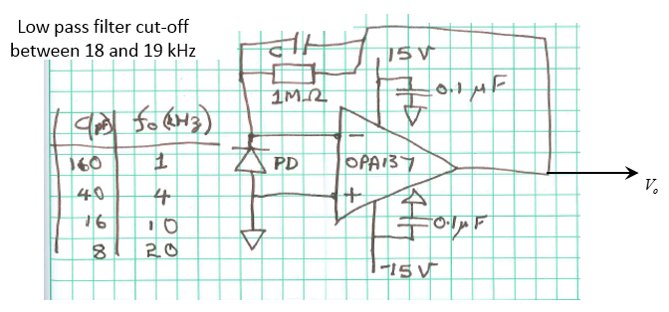
Photodetector model BPX 61 | Digikey # 475-1350 ND
https://www.digikey.com/product-detail/en/osram-opto-semiconductors-inc/BPX-61/475-1350-ND/1227856

Laser Spectrum
650.147 | 0.0091
650.151 | 0.0095
650.155 | 0.0096
650.159 | 0.0094
650.163 | 0.0107
650.166 | 0.0105
650.17 | 0.0106
650.174 | 0.0108
650.178 | 0.0107
650.182 | 0.0095
650.186 | 0.0102
650.19 | 0.0097
650.193 | 0.0088
650.197 | 0.0095
650.201 | 0.0092
650.205 | 0.0086
650.209 | 0.0092
650.213 | 0.0097
650.216 | 0.0094
650.22 | 0.009
650.224 | 0.0097
650.228 | 0.0082
650.232 | 0.0093
650.236 | 0.0088
650.24 | 0.0092
650.243 | 0.008
650.247 | 0.0084
650.251 | 0.0082
650.255 | 0.0086
650.259 | 0.0095
650.263 | 0.0087
650.267 | 0.0096
650.27 | 0.009
650.274 | 0.0086
650.278 | 0.009
650.282 | 0.0085
650.286 | 0.0097
650.29 | 0.0089
650.293 | 0.009
650.297 | 0.0096
650.301 | 0.0092
650.305 | 0.0089
650.309 | 0.0086
650.313 | 0.0098
650.317 | 0.0091
650.32 | 0.0086
650.324 | 0.0098
650.328 | 0.0096
650.332 | 0.0091
650.336 | 0.0091
...
waveelngth (nm) | Intensity (counts/s) | Intensity (kcounts/s) | Quarton Laser Module VLM-650-03 LPA (ECONOMICAL DOT LASER)
650.147 | 9.1 | 0.0091
650.151 | 9.5 | 0.0095
650.155 | 9.6 | 0.0096
650.159 | 9.4 | 0.0094
650.163 | 10.7 | 0.0107
650.166 | 10.5 | 0.0105
650.17 | 10.6 | 0.0106
650.174 | 10.8 | 0.0108
650.178 | 10.7 | 0.0107
650.182 | 9.5 | 0.0095
650.186 | 10.2 | 0.0102
650.19 | 9.7 | 0.0097
650.193 | 8.8 | 0.0088
650.197 | 9.5 | 0.0095
650.201 | 9.2 | 0.0092
650.205 | 8.6 | 0.0086
650.209 | 9.2 | 0.0092
650.213 | 9.7 | 0.0097
650.216 | 9.4 | 0.0094
650.22 | 9 | 0.009
650.224 | 9.7 | 0.0097
650.228 | 8.2 | 0.0082
650.232 | 9.3 | 0.0093
650.236 | 8.8 | 0.0088
650.24 | 9.2 | 0.0092
650.243 | 8 | 0.008
650.247 | 8.4 | 0.0084
650.251 | 8.2 | 0.0082
650.255 | 8.6 | 0.0086
650.259 | 9.5 | 0.0095
650.263 | 8.7 | 0.0087
650.267 | 9.6 | 0.0096
650.27 | 9 | 0.009
650.274 | 8.6 | 0.0086
650.278 | 9 | 0.009
650.282 | 8.5 | 0.0085
650.286 | 9.7 | 0.0097
650.29 | 8.9 | 0.0089
650.293 | 9 | 0.009
650.297 | 9.6 | 0.0096
650.301 | 9.2 | 0.0092
650.305 | 8.9 | 0.0089
650.309 | 8.6 | 0.0086
650.313 | 9.8 | 0.0098
650.317 | 9.1 | 0.0091
650.32 | 8.6 | 0.0086
650.324 | 9.8 | 0.0098
650.328 | 9.6 | 0.0096
650.332 | 9.1 | 0.0091
650.336 | 9.1 | 0.0091
650.34 | 8.2 | 0.0082
650.344 | 9.9 | 0.0099
650.347 | 9.1 | 0.0091
650.351 | 10.2 | 0.0102
650.355 | 10 | 0.01
650.359 | 11.3 | 0.0113
650.363 | 9.9 | 0.0099
650.367 | 10.4 | 0.0104
650.37 | 12 | 0.012
650.374 | 11.4 | 0.0114
650.378 | 11.6 | 0.0116
650.382 | 11 | 0.011
650.386 | 11.7 | 0.0117
650.39 | 10.2 | 0.0102
650.393 | 9.3 | 0.0093
650.397 | 10.2 | 0.0102
650.401 | 9.8 | 0.0098
650.405 | 9.3 | 0.0093
650.409 | 8.9 | 0.0089
650.413 | 9.7 | 0.0097
650.417 | 9.2 | 0.0092
650.42 | 8.7 | 0.0087
650.424 | 9.4 | 0.0094
650.428 | 9.2 | 0.0092
650.432 | 8.7 | 0.0087
650.436 | 8.8 | 0.0088
650.44 | 9.2 | 0.0092
650.443 | 8.7 | 0.0087
650.447 | 9 | 0.009
650.451 | 8.7 | 0.0087
650.455 | 8.6 | 0.0086
650.459 | 9.5 | 0.0095
650.463 | 9.7 | 0.0097
650.467 | 8.7 | 0.0087
650.47 | 10 | 0.01
650.474 | 9.4 | 0.0094
650.478 | 8.6 | 0.0086
650.482 | 8.7 | 0.0087
650.486 | 9.4 | 0.0094
650.49 | 9.4 | 0.0094
650.493 | 9 | 0.009
650.497 | 9 | 0.009
650.501 | 8.6 | 0.0086
650.505 | 9.1 | 0.0091
650.509 | 8.7 | 0.0087
650.513 | 9.2 | 0.0092
650.517 | 9.8 | 0.0098
650.52 | 10 | 0.01
650.524 | 8.7 | 0.0087
650.528 | 10.2 | 0.0102
650.532 | 8.5 | 0.0085
650.536 | 9.4 | 0.0094
650.54 | 9.1 | 0.0091
650.543 | 10.3 | 0.0103
650.547 | 9.2 | 0.0092
650.551 | 10.5 | 0.0105
650.555 | 10.8 | 0.0108
650.559 | 11.7 | 0.0117
650.563 | 11 | 0.011
650.566 | 12 | 0.012
650.57 | 12.2 | 0.0122
650.574 | 12.4 | 0.0124
650.578 | 11.9 | 0.0119
650.582 | 11.8 | 0.0118
650.586 | 10 | 0.01
650.59 | 10.1 | 0.0101
650.593 | 9.9 | 0.0099
650.597 | 9.5 | 0.0095
650.601 | 9.4 | 0.0094
650.605 | 9 | 0.009
650.609 | 8.4 | 0.0084
650.613 | 9.5 | 0.0095
650.616 | 9.2 | 0.0092
650.62 | 8.8 | 0.0088
650.624 | 8.7 | 0.0087
650.628 | 8.2 | 0.0082
650.632 | 8.7 | 0.0087
650.636 | 9.6 | 0.0096
650.639 | 9.5 | 0.0095
650.643 | 8.2 | 0.0082
650.647 | 8.9 | 0.0089
650.651 | 9.3 | 0.0093
650.655 | 8.7 | 0.0087
650.659 | 8.8 | 0.0088
650.663 | 9.7 | 0.0097
650.666 | 9.1 | 0.0091
650.67 | 9.1 | 0.0091
650.674 | 9.2 | 0.0092
650.678 | 8.8 | 0.0088
650.682 | 9.1 | 0.0091
650.686 | 9.4 | 0.0094
650.689 | 9.4 | 0.0094
650.693 | 8.8 | 0.0088
650.697 | 8.5 | 0.0085
650.701 | 7.9 | 0.0079
650.705 | 8.6 | 0.0086
650.709 | 9.1 | 0.0091
650.712 | 9.5 | 0.0095
650.716 | 9.3 | 0.0093
650.72 | 9.9 | 0.0099
650.724 | 8.2 | 0.0082
650.728 | 9.9 | 0.0099
650.732 | 9.3 | 0.0093
650.735 | 9.6 | 0.0096
650.739 | 9.1 | 0.0091
650.743 | 8.4 | 0.0084
650.747 | 9.1 | 0.0091
650.751 | 9.8 | 0.0098
650.755 | 10.4 | 0.0104
650.758 | 11.1 | 0.0111
650.762 | 11.4 | 0.0114
650.766 | 13.1 | 0.0131
650.77 | 13.2 | 0.0132
650.774 | 12.9 | 0.0129
650.778 | 12.3 | 0.0123
650.781 | 11.3 | 0.0113
650.785 | 10.1 | 0.0101
650.789 | 9.7 | 0.0097
650.793 | 10.2 | 0.0102
650.797 | 10.3 | 0.0103
650.801 | 8.5 | 0.0085
650.805 | 9.2 | 0.0092
650.808 | 9.7 | 0.0097
650.812 | 8.6 | 0.0086
650.816 | 9.4 | 0.0094
650.82 | 9.4 | 0.0094
650.824 | 8.7 | 0.0087
650.828 | 9.3 | 0.0093
650.831 | 9.7 | 0.0097
650.835 | 10 | 0.01
650.839 | 9.2 | 0.0092
650.843 | 8.8 | 0.0088
650.847 | 9.1 | 0.0091
650.851 | 9 | 0.009
650.854 | 8.3 | 0.0083
650.858 | 9.8 | 0.0098
650.862 | 9.3 | 0.0093
650.866 | 9.2 | 0.0092
650.87 | 9.2 | 0.0092
650.874 | 9.7 | 0.0097
650.877 | 8.7 | 0.0087
650.881 | 9.4 | 0.0094
650.885 | 8.5 | 0.0085
650.889 | 10.1 | 0.0101
650.893 | 9.2 | 0.0092
650.897 | 9.8 | 0.0098
650.9 | 9.6 | 0.0096
650.904 | 9.3 | 0.0093
650.908 | 9.4 | 0.0094
650.912 | 8.6 | 0.0086
650.916 | 8.5 | 0.0085
650.92 | 8.9 | 0.0089
650.923 | 9.2 | 0.0092
650.927 | 9.4 | 0.0094
650.931 | 10.1 | 0.0101
650.935 | 9.9 | 0.0099
650.939 | 9.2 | 0.0092
650.943 | 10.4 | 0.0104
650.946 | 9.9 | 0.0099
650.95 | 10.7 | 0.0107
650.954 | 12.4 | 0.0124
650.958 | 12.5 | 0.0125
650.962 | 14.1 | 0.0141
650.966 | 14.2 | 0.0142
650.969 | 13.9 | 0.0139
650.973 | 13.7 | 0.0137
650.977 | 11.9 | 0.0119
650.981 | 10.4 | 0.0104
650.985 | 10.8 | 0.0108
650.989 | 10.4 | 0.0104
650.992 | 8.7 | 0.0087
650.996 | 9.2 | 0.0092
651 | 8.4 | 0.0084
651.004 | 8.3 | 0.0083
651.008 | 9.6 | 0.0096
651.012 | 9.4 | 0.0094
651.015 | 8.9 | 0.0089
651.019 | 9.2 | 0.0092
651.023 | 9 | 0.009
651.027 | 9.9 | 0.0099
651.031 | 9.4 | 0.0094
651.034 | 9.4 | 0.0094
651.038 | 8.6 | 0.0086
651.042 | 9.1 | 0.0091
651.046 | 9.2 | 0.0092
651.05 | 8.9 | 0.0089
651.054 | 8.4 | 0.0084
651.057 | 7.4 | 0.0074
651.061 | 8.9 | 0.0089
651.065 | 9.6 | 0.0096
651.069 | 9.3 | 0.0093
651.073 | 9.4 | 0.0094
651.077 | 9.1 | 0.0091
651.08 | 9.3 | 0.0093
651.084 | 9.2 | 0.0092
651.088 | 9.4 | 0.0094
651.092 | 8.8 | 0.0088
651.096 | 9.3 | 0.0093
...

